DASHBOARD
DIAMOND DATA ANALYSIS DASHBOARD
DIAMOND DATA ANALYSIS DASHBOARD
DIAMOND DATA ANALYSIS DASHBOARD
DIAMOND DATA ANALYSIS DASHBOARD
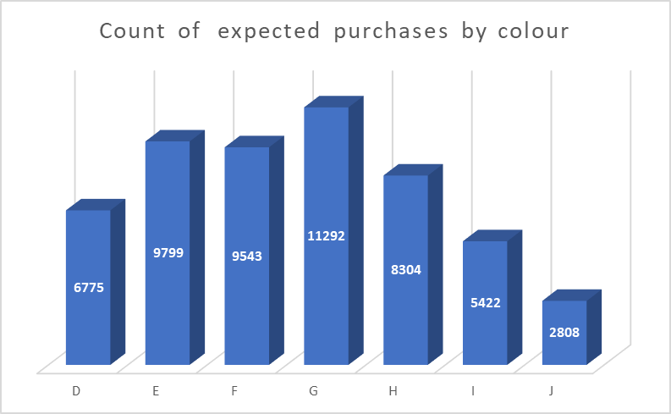

Sum of carat by clarity
 | Total
IF | 904.17
VVS1 | 1839.64
VVS2 | 3020.36
VS1 | 5941.61
VS2 | 9365.01
SI1 | 11112.97
SI2 | 9907.9
I1 | 951.33
Sum of carat by clarity
 | Total
IF | 904.17
VVS1 | 1839.64
VVS2 | 3020.36
VS1 | 5941.61
VS2 | 9365.01
SI1 | 11112.97
SI2 | 9907.9
I1 | 951.33
Sum of carat by clarity
 | Total
IF | 904.17
VVS1 | 1839.64
VVS2 | 3020.36
VS1 | 5941.61
VS2 | 9365.01
SI1 | 11112.97
SI2 | 9907.9
I1 | 951.33
 | Ideal | Premium | Very Good | Good | Fair
IF | 1212 | 230 | 268 | 71 | 9
VVS1 | 2047 | 616 | 789 | 186 | 17
VVS2 | 2606 | 870 | 1235 | 286 | 69
VS1 | 3589 | 1989 | 1775 | 648 | 170
VS2 | 5071 | 3357 | 2592 | 978 | 261
SI1 | 4282 | 3577 | 3240 | 1560 | 408
SI2 | 2598 | 2949 | 2100 | 1081 | 466
I1 | 146 | 205 | 84 | 96 | 210
Clarity and cut profile of the diamonds
 | Ideal | Premium | Very Good | Good | Fair
IF | 1212 | 230 | 268 | 71 | 9
VVS1 | 2047 | 616 | 789 | 186 | 17
VVS2 | 2606 | 870 | 1235 | 286 | 69
VS1 | 3589 | 1989 | 1775 | 648 | 170
VS2 | 5071 | 3357 | 2592 | 978 | 261
SI1 | 4282 | 3577 | 3240 | 1560 | 408
SI2 | 2598 | 2949 | 2100 | 1081 | 466
I1 | 146 | 205 | 84 | 96 | 210
Sum of carat by colour
 | Total
D | 4456.56
E | 6446.53
F | 7028.76
G | 8708.28
H | 7571.58
I | 5568.00
J | 3263.28
Sum of carat by clarity
 | Total
IF | 904.17
VVS1 | 1839.64
VVS2 | 3020.36
VS1 | 5941.61
VS2 | 9365.01
SI1 | 11112.97
SI2 | 9907.9
I1 | 951.33

Count of expected purchases by cut
 | Total
Fair | 1610
Good | 4906
Ideal | 21551
Premium | 13793
Very Good | 12083
purchases by carat category
 | Total
0-1 | 56954781
1-2 | 123215451
2-3 | 31386450
3-4 | 486496
4-5 | 82290
5-6 | 18018

Count of expected purchases by cut
 | Total
Fair | 1610
Good | 4906
Ideal | 21551
Premium | 13793
Very Good | 12083

purchases by carat category
 | Total
0-1 | 56954781
1-2 | 123215451
2-3 | 31386450
3-4 | 486496
4-5 | 82290
5-6 | 18018

Analysis
Sum of carat by clarity
Row Labels | Sum of carat
IF | 904.17
VVS1 | 1839.64
VVS2 | 3020.36
VS1 | 5941.61
VS2 | 9365.01
SI1 | 11112.97
SI2 | 9907.9
I1 | 951.33
Grand Total | 43042.99

Purchases by clarity
Row Labels | Sum of Prices
IF | 5128062
VVS1 | 9221984
VVS2 | 16635412.00
VS1 | 31372190
VS2 | 48115277
SI1 | 52213267
SI2 | 46549485
I1 | 2907809
Grand Total | 212143486

Row Labels | Count of clarity
D | 6775
E | 9799
F | 9543
G | 11292
Sum of carat by colour
H | 8304
I | 5422
J | 2808
Grand Total | 53943

Row Labels | Sum of carat
D | 4456.56
E | 6446.53
F | 7028.76
G | 8708.28
H | 7571.58
I | 5568.00
J | 3263.28
Grand Total | 43042.99

Row Labels | Sum of prices
0-1 | 56954781
1-2 | 123215451
2-3 | 31386450
3-4 | 486496
4-5 | 82290
5-6 | 18018
Grand Total | 212143486

Row Labels | Sum of carat | Count of clarity
0-1 | 41.36% | 34883
1-2 | 47.96% | 16906
2-3 | 10.38% | 2114
3-4 | 0.25% | 34
4-5 | 0.05% | 5
5-6 | 0.01% | 1
Grand Total | 100.00% | 53943

Row Labels | Count of carat
I1 | 1.37%
IF | 3.32%
VVS1 | 6.78%
VVS2 | 9.39%
VS1 | 15.15%
SI2 | 17.04%
VS2 | 22.73%
SI1 | 24.22%
Grand Total | 100.00%

Count of carat | Column Labels
Row Labels | Ideal | Premium | Very Good | Good | Fair | Grand Total
IF | 1212 | 230 | 268 | 71 | 9 | 1790
VVS1 | 2047 | 616 | 789 | 186 | 17 | 3655
VVS2 | 2606 | 870 | 1235 | 286 | 69 | 5066
VS1 | 3589 | 1989 | 1775 | 648 | 170 | 8171
VS2 | 5071 | 3357 | 2592 | 978 | 261 | 12259
SI1 | 4282 | 3577 | 3240 | 1560 | 408 | 13067
SI2 | 2598 | 2949 | 2100 | 1081 | 466 | 9194
I1 | 146 | 205 | 84 | 96 | 210 | 741
Grand Total | 21551 | 13793 | 12083 | 4906 | 1610 | 53943

Row Labels | Count of carat
Fair | 1610
Good | 4906
Ideal | 21551
Sum and counts of purchases by color of diamonds
Premium | 13793
Very Good | 12083
Grand Total | 53943

Row Labels | Sum of prices | Count of purchases
D | 21476439 | 6775
E | 30148457 | 9799
F | 35545622 | 9543
G | 45158240 | 11292
H | 37257301 | 8304
I | 27608146 | 5422
J | 14949281 | 2808
Grand Total | 212143486 | 53943

Sum of purchases and carat by cut of diamonds
Row Labels | Sum of prices | Sum of carat
Ideal | 74513487 | 15146.84
Premium | 63227010 | 12302.37
Very Good | 48110380 | 9743.4
Good | 19275009 | 4166.1
Fair | 7017600 | 1684.28
Grand Total | 212143486 | 43042.99

Row Labels | Average of depth | Average of table
0-1 | 61.732351002 | 57.208339306
1-2 | 61.774606649 | 57.862397965
2-3 | 61.810548723 | 58.301939451
3-4 | 62.417647059 | 58.441176471
4-5 | 63.48 | 60
5-6 | 65.5 | 59
Grand Total | 61.749322433 | 57.457251173

